AdditionalDocuments
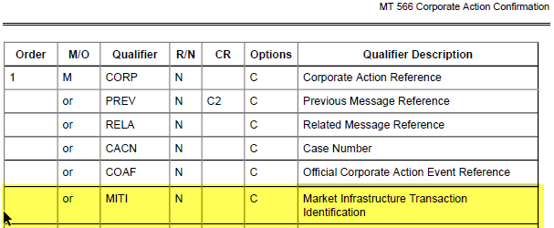
Additional documentation
Link to CR tab (CR 1 or CR 2 or CR 3 ...) | Free text or attach a file or image To insert a file select the Insert tab, select Object, select Create from file, check the Display as Icon box and then browse for your file | Name of file

