Calculation
Sample from FI
Terms : | receive | 0.172725 | shares for every |  | 1 | share

 | holding | fractional security |  | CINL price |  | PSTA
parent security | 200 | 3.1553046751 |  | 2.818353 |  | 8.89
resultant security | 34 | 0.545 |  | 16.316995224 |  | 8.89

Sample from DK
Terms : | receive | 3 | shares for every |  | 7 | shares

 | holding | fractional security |  | CINL price |  | PSTA
parent security | 25000 | 2 |  | 5.25 |  | 10.5
resultant security | 10714 | 0.28571428571 |  | 36.75 |  | 10.5

Normally, I would expect to receive a CINL price that could be used to calculate the entitlement based on fraction of the resultant security, e.g. 0.545 * 16.31… = 8.92 or 0.285..*36.75 = 10.50
However, in the FI and DK market CINL price is announced by the CSD with relation to the parent security e.g. 3.155.. * 2.81… = 8.92 or 2 * 5.25 = 10.50

To avoid confusion and to have a consistent approach on what CINL price actually means, would there be a need for SMPG to recommend the use of CINL price in relation to fractions in more detail than what is already stated in GMP 1 under '8.11 Cash Paid in Lieu of Fractions'?

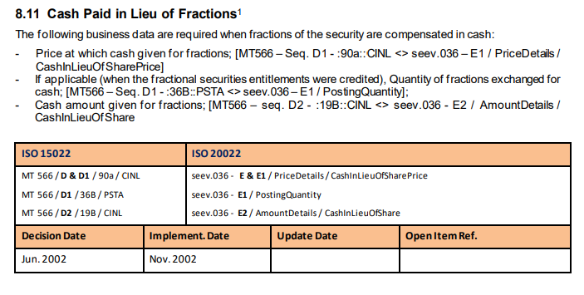

DEFINITION 90a Price

CINL | Cash in Lieu of Shares Price | Cash disbursement in lieu of equities; usually in lieu of fractional quantity.

